Positve Cycles
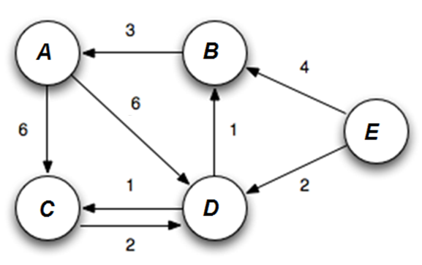
 |  |  | Given
 |  |  | Edge | Weight | Distance Matrix:
 |  |  | A -> C | 6 | Vertex | Given Distance | Iteration#1 |  | Iteration#2 |  | Iteration#3 |  | Iteration#4
 |  |  | A -> D | 6 |  |  | Distance | Parent | Distance | Parent | Distance | Parent | Distance | Parent
 |  |  | B -> A | 3 | A | ∞ | ∞ | - | 4+3 = 7 | B | 3+3 = 6 | B | 6 | B
 |  |  | C -> D | 2 | B | ∞ | 4 | E | 2+1 = 3 | D | 3 | D | 3 | D
 |  |  | D -> C | 1 | C | ∞ | ∞ | - | 2+1 = 3 | D | 3 | D | 3 | D
 |  |  | D -> B | 1 | D | ∞ | 2 | E | 2 | E | 2 | E | 2 | E
 |  |  | E -> B | 4 | E | 0 | 0 | - | 0 | - | 0 | - | 0 | -
 |  |  | E -> D | 2

Task: Find SSSP from Vertex - E
 |  |  |  |  | if (current 'distance' of destination vertex) > ('distance' of source vertex + current weight between source and destination vertex)
Final Answer |  |  |  |  | then update distance of destination vertex with distance of source vertex + current weight between source and destination vertex
Vertex | Distance from E | Path from E
A | 6 | B > D > E
B | 3 | D > E
C | 3 | D > E
D | 2 | E
E | 0 | 0

Negative Cycles
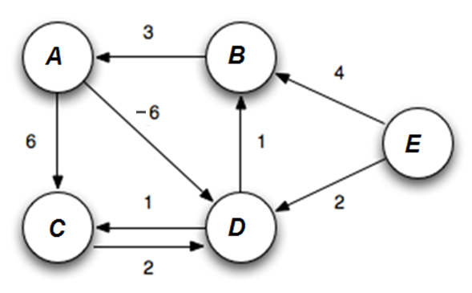
 |  |  | Edge | Weight | Distance Matrix:
 |  |  | A -> C | 6 | Vertex | Given | Iteration#1 |  | Iteration#2 |  | Iteration#3 |  | Iteration#4 |  | Iteration#5
 |  |  | A -> D | -6 |  |  | Distance | Parent | Distance | Parent | Distance | Parent | Distance | Parent | Distance | Parent
 |  |  | B -> A | 3 | A | ∞ | ∞ |  | 3+4 = 7 | B | 3+3 = 6 | B | 2+3 = 5 | B | 1+3 = 4 | B
 |  |  | C -> D | 2 | B | ∞ | 4 | E | 2+1 = 3 | D | 1+1 = 2 | D | 1+0 = 1 | D | 1+(-1) = 0 | D
 |  |  | D -> C | 1 | C | ∞ | ∞ |  | 2+1 = 3 | D | 1+1 = 2 | D | 0+1 = 1 | D | 1+(-1) = 0 | D
 |  |  | D -> B | 1 | D | ∞ | 2 | E | 2 | E | 7 + (-6) = 1 | A | 6+(-6) = 0 | A | 5+(-6) = -1 | A
 |  |  | E -> B | 4 | E | 0 | - | - | - | - | - | - | - | - | - | -
 |  |  | E -> D | 2

Task: Find SSSP from Vertex - E |  |  |  |  | if (known 'distance' of destination vertex) > ('distance' of source vertex + current weight between source and destination vertex)
 |  |  |  |  | then update distance ofn destination vertex with distance of source vertex + current weight between source and destination vertex

Vertex | Distance from E | Path from E
A | 6 | B > D > E
B | 3 | D > E
C | 3 | D > E
D | 2 | E
E | 0 | 0

